Ed- Tech Responses
1. Have you used Ed-Tech? | 2. How many brands of Ed-Tech are you aware of? | 3. Which brand of Ed-Tech you are currently using? | 4. Please Rank the Ed-Tech brands according to your Preferences ! ( The Most Preferred Brand is to be ranked with [5] & The Least Preferred Brand is to be ranked with [1] ) [Unacademy] | 4. Please Rank the Ed-Tech brands according to your Preferences ! ( The Most Preferred Brand is to be ranked with [5] & The Least Preferred Brand is to be ranked with [1] ) [Byjus] | 4. Please Rank the Ed-Tech brands according to your Preferences ! ( The Most Preferred Brand is to be ranked with [5] & The Least Preferred Brand is to be ranked with [1] ) [Aakash Institute] | 4. Please Rank the Ed-Tech brands according to your Preferences ! ( The Most Preferred Brand is to be ranked with [5] & The Least Preferred Brand is to be ranked with [1] ) [MOOCs (Massive Open Online Courses)] | 4. Please Rank the Ed-Tech brands according to your Preferences ! ( The Most Preferred Brand is to be ranked with [5] & The Least Preferred Brand is to be ranked with [1] ) [Udemy] | 5. Please Rank the Five Criteria mentioned Above which you prefer while choosing the Ed-Tech. (Mark the Most Important Preferred Criteria as [5] & Mark the Least Important Preferred Criteria as [1] ) [Brand ] | 5. Please Rank the Five Criteria mentioned Above which you prefer while choosing the Ed-Tech. (Mark the Most Important Preferred Criteria as [5] & Mark the Least Important Preferred Criteria as [1] ) [Personalized Learning] | 5. Please Rank the Five Criteria mentioned Above which you prefer while choosing the Ed-Tech. (Mark the Most Important Preferred Criteria as [5] & Mark the Least Important Preferred Criteria as [1] ) [24/7 Access] |  | 5. Please Rank the Five Criteria mentioned Above which you prefer while choosing the Ed-Tech. (Mark the Most Important Preferred Criteria as [5] & Mark the Least Important Preferred Criteria as [1] ) [Price Affordability] | 5. Please Rank the Five Criteria mentioned Above which you prefer while choosing the Ed-Tech. (Mark the Most Important Preferred Criteria as [5] & Mark the Least Important Preferred Criteria as [1] ) [Knowledge Based FAQs] |  | 6. Please Rank the brand on the basis of criteria Personalized Learning. ( Mark if Most Preferred as [5] & if Least Preferred as [1] ) [Unacademy] | 6. Please Rank the brand on the basis of criteria Personalized Learning. ( Mark if Most Preferred as [5] & if Least Preferred as [1] ) [Byjus] | 6. Please Rank the brand on the basis of criteria Personalized Learning. ( Mark if Most Preferred as [5] & if Least Preferred as [1] ) [Aakash Institute] | 6. Please Rank the brand on the basis of criteria Personalized Learning. ( Mark if Most Preferred as [5] & if Least Preferred as [1] ) [MOOCs (Massive Open Online Courses)] | 6. Please Rank the brand on the basis of criteria Personalized Learning. ( Mark if Most Preferred as [5] & if Least Preferred as [1] ) [Udemy] | 8. Rank the Brand you believe is best for Price Affordability. ( Mark the brand if Most Affordable as [5] and if Least Affordable as [1] ) [Unacademy] | 8. Rank the Brand you believe is best for Price Affordability. ( Mark the brand if Most Affordable as [5] and if Least Affordable as [1] ) [Byjus] | 8. Rank the Brand you believe is best for Price Affordability. ( Mark the brand if Most Affordable as [5] and if Least Affordable as [1] ) [Aakash Institute] | 8. Rank the Brand you believe is best for Price Affordability. ( Mark the brand if Most Affordable as [5] and if Least Affordable as [1] ) [MOOCs (Massive Open Online Courses)] | 8. Rank the Brand you believe is best for Price Affordability. ( Mark the brand if Most Affordable as [5] and if Least Affordable as [1] ) [Udemy] | 7. Please Rank the brand on the basis of criteria 24/7 Access. ( Mark if Most Preferred as [5] & if Least Preferred as [1] ) [Unacademy] | 7. Please Rank the brand on the basis of criteria 24/7 Access. ( Mark if Most Preferred as [5] & if Least Preferred as [1] ) [Byjus] | 7. Please Rank the brand on the basis of criteria 24/7 Access. ( Mark if Most Preferred as [5] & if Least Preferred as [1] ) [Aakash Institute] | 7. Please Rank the brand on the basis of criteria 24/7 Access. ( Mark if Most Preferred as [5] & if Least Preferred as [1] ) [MOOCs (Massive Open Online Courses)] | 7. Please Rank the brand on the basis of criteria 24/7 Access. ( Mark if Most Preferred as [5] & if Least Preferred as [1] ) [Udemy] | 9. Rank the Brand you believe is best for knowledge Based FAQs ( Mark the brand if Most Affordable as [5] and if Least Affordable as [1] ) [Unacademy] | 9. Rank the Brand you believe is best for knowledge Based FAQs ( Mark the brand if Most Affordable as [5] and if Least Affordable as [1] ) [Byjus] | 9. Rank the Brand you believe is best for knowledge Based FAQs ( Mark the brand if Most Affordable as [5] and if Least Affordable as [1] ) [Aakash Institute] | 9. Rank the Brand you believe is best for knowledge Based FAQs ( Mark the brand if Most Affordable as [5] and if Least Affordable as [1] ) [MOOCs (Massive Open Online Courses) ] | 9. Rank the Brand you believe is best for knowledge Based FAQs ( Mark the brand if Most Affordable as [5] and if Least Affordable as [1] ) [Udemy] | 10. Usage Rate | Name | Gender | Age | Occupation | Monthly Household Income (If Student , You can ignore this question) | Will you recommend others to use Ed-Tech? | Timestamp
Yes | Unacademy, Byjus, Aakash Institute | None | 1 | 3 | 2 | 4 | 2 | 1 | 1 | 2 |  | 3 | 2 |  | 1 | 2 | 3 | 2 | 4 | 2 | 1 | 2 | 2 | 3 | 5 | 4 | 5 | 4 | 3 | 5 | 4 | 5 | 4 | 3 | 4 - 6 Hours | Ayush Tripathi | Male | 20 - 25 Years | Student | Rs100000 - Rs200000 | Yes
Yes | Unacademy | None | 2 | 1 | 3 | 4 | 2 | 2 | 1 | 3 |  | 5 | 4 |  | 2 | 3 | 4 | 5 | 3 | 3 | 4 | 3 | 4 | 3 | 5 | 4 | 5 | 3 | 3 | 5 | 4 | 5 | 3 | 3 | 2 - 4 Hours | Sapna tiwari | Female | 20 - 25 Years | Student | Rs100000 - Rs200000 | Yes
Yes | Unacademy, Byjus, Aakash Institute, MOOCs (Massive Open Online Courses), Udemy | Byjus | 3 | 3 | 1 | 1 | 1 | 3 | 3 | 3 |  | 3 | 3 |  | 3 | 3 | 3 | 3 | 4 | 3 | 3 | 3 | 3 | 3 | 5 | 4 | 5 | 3 | 3 | 5 | 4 | 5 | 3 | 2 | 4 - 6 Hours | Rishi baba | Male | 20 - 25 Years | Student | Above Rs 500000 | Yes
Yes | Unacademy, Byjus, Udemy | None | 3 | 3 | 1 | 4 | 4 | 4 | 4 | 4 |  | 4 | 4 |  | 3 | 2 | 3 | 4 | 5 | 3 | 3 | 2 | 4 | 4 | 5 | 4 | 5 | 3 | 3 | 5 | 4 | 5 | 3 | 4 | 2 - 4 Hours | Pratishtha Ghai | Female | 20 - 25 Years | Student | Rs 50000 - Rs100000 | Yes
Yes | Unacademy, Byjus, Aakash Institute, Udemy | Udemy | 1 | 1 | 2 | 1 | 4 | 4 | 4 | 4 |  | 4 | 4 |  | 5 | 5 | 5 | 5 | 4 | 3 | 3 | 2 | 2 | 3 | 4 | 5 | 5 | 4 | 2 | 4 | 3 | 5 | 4 | 3 | 0 - 2 Hours | Ishika Rastogi | Female | 20 - 25 Years | Student |  | Yes
Yes | Unacademy, Byjus | Byjus | 1 | 2 | 3 | 3 | 3 | 1 | 2 | 2 |  | 1 | 2 |  | 2 | 1 | 1 | 2 | 3 | 1 | 2 | 3 | 3 | 2 | 4 | 5 | 5 | 3 | 2 | 5 | 3 | 4 | 3 | 2 | 2 - 4 Hours | Mayank | Male | 15 - 20 Years | Student | Rs 50000 - Rs100000 | Yes
Yes | Unacademy, MOOCs (Massive Open Online Courses) | Unacademy | 4 | 1 | 4 | 3 | 2 | 3 | 4 | 5 |  | 5 | 3 |  | 2 | 2 | 2 | 2 | 4 | 4 | 3 | 5 | 5 | 5 | 5 | 5 | 5 | 3 | 3 | 5 | 4 | 4 | 4 | 4 | 2 - 4 Hours | Gaurav | Male | 20 - 25 Years | Student |  | Yes
Yes | Unacademy, Byjus, Aakash Institute, MOOCs (Massive Open Online Courses), Udemy | Unacademy | 5 | 1 | 2 | 4 | 3 | 4 | 4 | 4 |  | 4 | 3 |  | 3 | 3 | 4 | 4 | 4 | 4 | 2 | 3 | 5 | 4 | 5 | 5 | 5 | 3 | 2 | 4 | 4 | 5 | 3 | 2 | 2 - 4 Hours | Gaurav | Male | 20 - 25 Years | Student | Rs100000 - Rs200000 | Yes
Yes | Unacademy, Byjus, Udemy | None | 4 | 3 | 3 | 3 | 3 | 3 | 4 | 4 |  | 4 | 4 |  | 5 | 4 | 5 | 5 | 4 | 2 | 3 | 3 | 3 | 3 | 5 | 5 | 5 | 3 | 2 | 4 | 4 | 5 | 4 | 3 | 2 - 4 Hours | Priyanshi | Female | 20 - 25 Years | Student |  | Yes
Yes | Unacademy, Byjus, Aakash Institute, Udemy | Unacademy | 3 | 3 | 1 | 1 | 1 | 3 | 3 | 3 |  | 3 | 3 |  | 3 | 3 | 3 | 2 | 4 | 3 | 1 | 1 | 1 | 2 | 5 | 4 | 5 | 3 | 3 | 5 | 3 | 5 | 3 | 3 | 2 - 4 Hours | Vanshika | Female | 20 - 25 Years | Student |  | Yes
Yes | Unacademy | Unacademy | 1 | 3 | 3 | 3 | 3 | 1 | 2 | 2 |  | 1 | 2 |  | 2 | 2 | 2 | 2 | 4 | 1 | 3 | 3 | 2 | 2 | 5 | 4 | 5 | 3 | 4 | 4 | 3 | 5 | 4 | 3 | 0 - 2 Hours | Ashish | Male | Above 25 Years | Profession | Rs200000 - Rs500000 | Yes
Yes | Unacademy | Unacademy | 1 | 2 | 2 | 2 | 2 | 1 | 2 | 3 |  | 2 | 2 |  | 2 | 1 | 2 | 2 | 3 | 1 | 2 | 2 | 2 | 3 | 4 | 4 | 5 | 2 | 4 | 5 | 3 | 4 | 4 | 2 | 0 - 2 Hours | CHETNA | Female | Above 25 Years | Self Employed | Rs 50000 - Rs100000 | Yes
Yes | Unacademy, Byjus, Aakash Institute | None | 1 | 1 | 1 | 3 | 3 | 2 | 2 | 2 |  | 2 | 2 |  | 2 | 3 | 2 | 1 | 2 | 1 | 1 | 1 | 3 | 3 | 5 | 5 | 4 | 4 | 3 | 5 | 3 | 4 | 3 | 2 | 0 - 2 Hours | Trivyan Tayal | Male | 20 - 25 Years | Student | Rs 50000 - Rs100000 | Yes
Yes | MOOCs (Massive Open Online Courses), Udemy | None | 3 | 3 | 3 | 1 | 1 | 3 | 3 | 2 |  | 3 | 3 |  | 3 | 2 | 3 | 2 | 2 | 3 | 3 | 3 | 1 | 1 | 4 | 5 | 4 | 2 | 4 | 5 | 3 | 5 | 3 | 2 | 2 - 4 Hours | Rahul | Male | Above 25 Years | Self Employed | Rs 50000 - Rs100000 | Yes
Yes | Unacademy, Byjus, Aakash Institute, MOOCs (Massive Open Online Courses) | Unacademy | 5 | 2 | 2 | 2 | 2 | 4 | 4 | 3 |  | 4 | 5 |  | 5 | 3 | 3 | 3 | 3 | 4 | 3 | 2 | 2 | 3 | 5 | 4 | 5 | 4 | 3 | 5 | 4 | 5 | 4 | 3 | 4 - 6 Hours | Ashwani Pathak | Male | Above 25 Years | Student | Rs 50000 - Rs100000 | Yes
No
Yes | Unacademy, Byjus, Aakash Institute, Udemy | None | 3 | 1 | 4 | 3 | 4 | 1 | 2 | 1 |  | 1 | 2 |  | 2 | 1 | 2 | 2 | 3 | 2 | 1 | 2 | 2 | 2 | 5 | 4 | 5 | 4 | 4 | 5 | 3 | 5 | 3 | 3 | 2 - 4 Hours | LAKHAN Singh | Male | 15 - 20 Years | Profession | Rs 50000 - Rs100000 | Yes
Yes | Unacademy, Byjus, Udemy | Udemy | 4 | 2 | 4 | 5 | 5 | 4 | 5 | 5 |  | 5 | 5 |  | 5 | 4 | 5 | 4 | 2 | 4 | 4 | 3 | 4 | 5 | 5 | 4 | 5 | 3 | 3 | 5 | 3 | 5 | 3 | 4 | 0 - 2 Hours | Chhavi | Female | 20 - 25 Years | Student |  | Yes
No
Yes | Unacademy, Byjus, Aakash Institute, MOOCs (Massive Open Online Courses), Udemy | Unacademy | 5 | 4 | 4 | 3 | 2 | 5 | 5 | 5 |  | 5 | 5 |  | 5 | 5 | 5 | 5 | 2 | 5 | 5 | 5 | 5 | 5 | 5 | 5 | 5 | 3 | 2 | 5 | 3 | 5 | 3 | 4 | 4 - 6 Hours | Ishika | Female | Above 25 Years | Self Employed | Rs100000 - Rs200000 | Yes
Yes | Unacademy, Byjus, Aakash Institute, Udemy | None | 3 | 4 | 3 | 2 | 4 | 3 | 4 | 3 |  | 4 | 3 |  | 4 | 4 | 4 | 4 | 4 | 3 | 1 | 1 | 2 | 3 | 5 | 4 | 5 | 3 | 2 | 5 | 4 | 4 | 4 | 2 | 0 - 2 Hours | Harshill Aggarwal | Male | 15 - 20 Years | Student |  | Yes
Yes | Unacademy, Byjus, Aakash Institute, MOOCs (Massive Open Online Courses), Udemy | MOOCs (Massive Open Online Courses) | 4 | 5 | 4 | 5 | 4 | 4 | 4 | 5 |  | 5 | 4 |  | 4 | 5 | 5 | 4 | 3 | 4 | 5 | 4 | 5 | 4 | 5 | 5 | 5 | 3 | 2 | 5 | 4 | 4 | 3 | 4 | 2 - 4 Hours | Akhilesh kumar | Male | 20 - 25 Years | Student |  | Yes
No
Yes | Unacademy, Byjus, Aakash Institute, MOOCs (Massive Open Online Courses), Udemy | Unacademy | 5 | 5 | 4 | 4 | 1 | 4 | 5 | 3 |  | 5 | 5 |  | 5 | 5 | 5 | 5 | 4 | 5 | 5 | 3 | 3 | 4 | 5 | 5 | 5 | 4 | 4 | 5 | 4 | 5 | 4 | 3 | 0 - 2 Hours | Abhash Tripathi | Male | 20 - 25 Years | Student | Rs200000 - Rs500000 | Yes
Yes | Unacademy, Byjus, Udemy | Unacademy | 5 | 2 | 2 | 2 | 4 | 5 | 1 | 3 |  | 2 | 4 |  | 3 | 2 | 3 | 4 | 4 | 2 | 3 | 4 | 5 | 2 | 5 | 4 | 5 | 3 | 4 | 5 | 3 | 5 | 4 | 2 | 0 - 2 Hours | Hemant | Male | Above 25 Years | Student |  | Yes
No
Yes | Unacademy, Udemy | None | 2 | 1 | 1 | 1 | 2 | 2 | 2 | 2 |  | 2 | 2 |  | 2 | 2 | 1 | 2 | 3 | 2 | 1 | 2 | 2 | 3 | 5 | 4 | 5 | 5 | 3 | 5 | 3 | 5 | 3 | 2 | 0 - 2 Hours | Himanshu Gupta | Male | 20 - 25 Years | Student | Rs 50000 - Rs100000 | No
Yes | Udemy | None | 1 | 1 | 1 | 1 | 1 | 1 | 1 | 1 |  | 1 | 1 |  | 1 | 1 | 1 | 1 | 4 | 1 | 1 | 1 | 1 | 1 | 5 | 5 | 5 | 5 | 2 | 4 | 4 | 5 | 3 | 3 | 0 - 2 Hours | Jerry bhardwaj | Male | 15 - 20 Years | Self Employed | Above Rs 500000 | No
Yes | Unacademy, Byjus, Aakash Institute, Udemy | Unacademy | 5 | 4 | 5 | 4 | 3 | 5 | 5 | 4 |  | 4 | 4 |  | 5 | 4 | 4 | 4 | 3 | 4 | 3 | 2 | 3 | 3 | 4 | 4 | 5 | 4 | 2 | 5 | 4 | 5 | 3 | 3 | 0 - 2 Hours | Naman Sharma | Male | 20 - 25 Years | Student | Rs 50000 - Rs100000 | Yes
Yes | Unacademy, Byjus, Aakash Institute, MOOCs (Massive Open Online Courses), Udemy | MOOCs (Massive Open Online Courses) | 5 | 4 | 5 | 5 | 3 | 5 | 4 | 4 |  | 5 | 5 |  | 5 | 4 | 4 | 5 | 4 | 3 | 4 | 2 | 4 | 3 | 5 | 4 | 5 | 5 | 2 | 5 | 4 | 4 | 4 | 4 | 0 - 2 Hours | Jhanvi Aggarwal | Female | 20 - 25 Years | Student |  | Yes
Yes | Unacademy, Byjus, Aakash Institute, MOOCs (Massive Open Online Courses), Udemy | Byjus | 5 | 4 | 4 | 3 | 3 | 5 | 4 | 5 |  | 5 | 5 |  | 4 | 5 | 3 | 5 | 5 | 2 | 4 | 1 | 1 | 3 | 5 | 5 | 5 | 4 | 4 | 5 | 2 | 4 | 3 | 4 | 2 - 4 Hours | Shreya jain | Female | Above 25 Years | Self Employed | Rs 50000 - Rs100000 | Yes
Yes | Unacademy, Byjus, Aakash Institute, Udemy | Unacademy | 5 | 2 | 3 | 3 | 4 | 4 | 5 | 4 |  | 4 | 5 |  | 4 | 5 | 5 | 3 | 4 | 3 | 4 | 3 | 3 | 5 | 5 | 5 | 5 | 3 | 3 | 5 | 3 | 5 | 3 | 2 | 2 - 4 Hours | Harsh | Male | 20 - 25 Years | Student | Rs 50000 - Rs100000 | Yes
Yes | Unacademy, Byjus, Aakash Institute, MOOCs (Massive Open Online Courses), Udemy | Udemy | 4 | 5 | 5 | 4 | 5 | 4 | 5 | 5 |  | 4 | 5 |  | 5 | 5 | 5 | 5 | 5 | 4 | 3 | 3 | 5 | 5 | 5 | 4 | 5 | 4 | 2 | 5 | 4 | 5 | 3 | 2 | 0 - 2 Hours | Shivani Jain | Female | 20 - 25 Years | Student | Rs200000 - Rs500000 | Yes
Yes | Unacademy, Byjus, Aakash Institute, MOOCs (Massive Open Online Courses), Udemy | Udemy | 2 | 2 | 3 | 2 | 3 | 3 | 2 | 2 |  | 3 | 2 |  | 3 | 2 | 2 | 3 | 4 | 3 | 3 | 2 | 3 | 2 | 5 | 4 | 5 | 3 | 2 | 5 | 3 | 5 | 4 | 2 | 4 - 6 Hours | Ajay Singh rawat | Male | Above 25 Years | Student | Rs 50000 - Rs100000 | Yes
Yes | Unacademy, Udemy | Udemy | 4 | 3 | 1 | 5 | 4 | 4 | 4 | 4 |  | 4 | 4 |  | 5 | 5 | 5 | 5 | 3 | 5 | 3 | 3 | 5 | 5 | 5 | 4 | 5 | 4 | 2 | 5 | 3 | 4 | 3 | 3 | Above 6 Hours | Preeti | Female | 20 - 25 Years | Student |  | Yes
Yes | Unacademy, Byjus, Aakash Institute, MOOCs (Massive Open Online Courses), Udemy | MOOCs (Massive Open Online Courses) | 5 | 1 | 3 | 4 | 4 | 5 | 5 | 5 |  | 5 | 5 |  | 3 | 3 | 4 | 3 | 4 | 3 | 2 | 1 | 4 | 5 | 5 | 4 | 5 | 3 | 3 | 5 | 3 | 5 | 4 | 3 | 2 - 4 Hours | Yuvraj | Male | 20 - 25 Years | Student | Rs 50000 - Rs100000 | No
No
No
Yes | Unacademy, Byjus, Aakash Institute | None | 1 | 4 | 1 | 3 | 2 | 1 | 1 | 3 |  | 1 | 1 |  | 1 | 2 | 1 | 3 | 4 | 1 | 4 | 1 | 2 | 2 | 4 | 5 | 5 | 4 | 3 | 5 | 4 | 5 | 3 | 2 | Above 6 Hours | Isha | Female | 20 - 25 Years | Student |  | Yes
Yes | Unacademy, Byjus, MOOCs (Massive Open Online Courses), Udemy | Udemy | 5 | 2 | 1 | 4 | 5 | 5 | 5 | 5 |  | 5 | 5 |  | 4 | 5 | 2 | 2 | 3 | 1 | 1 | 1 | 5 | 5 | 5 | 4 | 5 | 5 | 3 | 4 | 3 | 5 | 3 | 3 | 2 - 4 Hours | Ishika | Female | 20 - 25 Years | Student | Rs 50000 - Rs100000 | Yes
Yes | Unacademy, Byjus, Udemy | Unacademy | 4 | 2 | 3 | 3 | 3 | 4 | 3 | 5 |  | 5 | 3 |  | 3 | 3 | 5 | 5 | 3 | 3 | 3 | 2 | 3 | 3 | 5 | 5 | 5 | 5 | 2 | 4 | 3 | 5 | 3 | 4 | 4 - 6 Hours | Bhoomi Jain | Female | 20 - 25 Years | Profession | Rs 50000 - Rs100000 | Yes
Yes | Unacademy, Byjus, Aakash Institute, MOOCs (Massive Open Online Courses), Udemy | Udemy | 4 | 4 | 4 | 3 | 5 | 5 | 5 | 5 |  | 5 | 5 |  | 5 | 5 | 5 | 5 | 4 | 4 | 4 | 2 | 2 | 4 | 4 | 5 | 5 | 5 | 3 | 5 | 3 | 5 | 3 | 4 | 0 - 2 Hours | Vidushi | Female | 20 - 25 Years | Student | Rs100000 - Rs200000 | Yes
Yes | Unacademy, Byjus, Aakash Institute, MOOCs (Massive Open Online Courses), Udemy | Unacademy | 5 | 3 | 1 | 4 | 2 | 2 | 5 | 4 |  | 3 | 1 |  | 4 | 2 | 1 | 3 | 5 | 4 | 3 | 2 | 5 | 1 | 4 | 4 | 5 | 5 | 2 | 4 | 4 | 4 | 3 | 2 | 2 - 4 Hours | Krish Garg | Male | 20 - 25 Years | Student |  | Yes
No
No
Yes | Unacademy, Byjus, Aakash Institute, MOOCs (Massive Open Online Courses), Udemy | MOOCs (Massive Open Online Courses) | 4 | 3 | 2 | 4 | 1 | 4 | 5 | 5 |  | 1 | 4 |  | 3 | 3 | 3 | 5 | 5 | 4 | 2 | 1 | 3 | 1 | 5 | 4 | 5 | 4 | 3 | 5 | 3 | 5 | 3 | 4 | 4 - 6 Hours | Shruti Bansal | Female | 20 - 25 Years | Student |  | Yes
Yes | Unacademy, Byjus, Udemy | Unacademy | 4 | 2 | 2 | 2 | 4 | 2 | 5 | 5 |  | 5 | 5 |  | 5 | 5 | 5 | 5 | 4 | 5 | 3 | 3 | 3 | 4 | 5 | 4 | 5 | 4 | 2 | 5 | 4 | 5 | 3 | 2 | 4 - 6 Hours | Aditya | Male | 20 - 25 Years | Student |  | Yes
Yes | Unacademy, Byjus, Aakash Institute, MOOCs (Massive Open Online Courses), Udemy | Unacademy | 4 | 3 | 1 | 2 | 2 | 4 | 4 | 4 |  | 5 | 4 |  | 5 | 2 | 4 | 4 | 3 | 4 | 2 | 2 | 3 | 3 | 5 | 4 | 5 | 3 | 3 | 5 | 3 | 5 | 3 | 2 | 0 - 2 Hours | Kritika Sharma | Female | 20 - 25 Years | Student | Rs 50000 - Rs100000 | No
No
Yes | Unacademy, Byjus, Aakash Institute, Udemy | None | 5 | 3 | 4 | 1 | 5 | 1 | 4 | 5 |  | 5 | 5 |  | 4 | 3 | 4 | 2 | 4 | 5 | 2 | 3 | 1 | 4 | 5 | 5 | 5 | 4 | 5 | 5 | 3 | 5 | 3 | 4 | 4 - 6 Hours | Aditya | Male | 20 - 25 Years | Student |  | Yes
No
Yes | Unacademy, Byjus, MOOCs (Massive Open Online Courses) | None | 1 | 3 | 5 | 2 | 4 | 2 | 3 | 4 |  | 5 | 1 |  | 1 | 3 | 4 | 5 | 4 | 3 | 2 | 5 | 1 | 4 | 5 | 5 | 5 | 5 | 4 | 5 | 4 | 5 | 3 | 3 | 2 - 4 Hours | Khushi Chawla | Female | 20 - 25 Years | Student |  | Yes
Yes | Unacademy, Byjus, Aakash Institute, Udemy | None | 3 | 4 | 2 | 5 | 1 | 3 | 4 | 2 |  | 1 | 5 |  | 4 | 1 | 5 | 3 | 4 | 3 | 2 | 1 | 5 | 4 | 5 | 5 | 5 | 3 | 4 | 5 | 4 | 4 | 3 | 4 | 0 - 2 Hours | Puneet Sharma | Male | 20 - 25 Years | Student |  | Yes
No
Yes | Byjus | Byjus | 2 | 1 | 2 | 2 | 2 | 1 | 2 | 2 |  | 2 | 2 |  | 3 | 1 | 3 | 3 | 3 | 2 | 1 | 3 | 2 | 2 | 5 | 5 | 5 | 3 | 3 | 5 | 3 | 5 | 4 | 3 | 0 - 2 Hours | Dev | Male | 15 - 20 Years | Student |  | Yes
Yes | Aakash Institute | Aakash Institute | 3 | 2 | 1 | 3 | 3 | 2 | 2 | 3 |  | 3 | 3 |  | 3 | 3 | 1 | 3 | 4 | 3 | 3 | 1 | 3 | 3 | 5 | 5 | 5 | 2 | 3 | 5 | 4 | 4 | 4 | 2 | 2 - 4 Hours | Vivek | Male | Above 25 Years | Student | Rs 50000 - Rs100000 | Yes
Yes | Unacademy, Byjus, Aakash Institute, Udemy | None | 3 | 2 | 4 | 3 | 3 | 4 | 4 | 4 |  | 4 | 4 |  | 2 | 3 | 3 | 2 | 2 | 2 | 2 | 2 | 2 | 3 | 5 | 3 | 5 | 3 | 3 | 3 | 3 | 5 | 3 | 3 | 2 - 4 Hours | Aman | Male | Above 25 Years | Profession | Rs200000 - Rs500000 | Yes
Yes | Unacademy, Byjus, Aakash Institute, MOOCs (Massive Open Online Courses), Udemy | None | 3 | 2 | 4 | 3 | 3 | 3 | 5 | 5 |  | 5 | 5 |  | 2 | 2 | 3 | 2 | 4 | 2 | 2 | 2 | 2 | 4 | 2 | 2 | 2 | 2 | 3 | 2 | 2 | 3 | 2 | 2 | 2 - 4 Hours | Vishwa | Male | 20 - 25 Years | Student |  | No
No
No
No
No
No |  |  |  |  |  |  |  |  |  |  |  |  |  |  |  |  |  |  |  |  |  |  |  |  |  |  |  |  |  |  |  |  |  |  |  |  |  |  |  |  |  | 4/9/2024
Yes | Unacademy, Byjus, Aakash Institute, Udemy | None | 4 | 3 | 1 | 2 | 5 | 4 | 1 | 3 |  | 5 | 2 |  | 4 | 4 | 4 | 4 | 4 | 5 | 5 | 5 | 5 | 5 | 5 | 5 | 5 | 5 | 5 | 3 | 3 | 3 | 3 | 3 | 0 - 2 Hours | Ayushi Jain | Female | Above 25 Years | Profession |  | Yes | 4/10/2024
Yes | Unacademy, Byjus, Aakash Institute, Udemy | None | 5 | 4 | 3 | 3 | 3 | 5 | 4 | 3 |  | 3 | 5 |  | 5 | 4 | 3 | 4 | 3 | 4 | 5 | 3 | 3 | 4 | 5 | 4 | 3 | 3 | 4 | 5 | 3 | 3 | 4 | 3 | 2 - 4 Hours | Hritik Jain | Male | 20 - 25 Years | Self Employed |  | Yes | 4/10/2024
No |  |  |  |  |  |  |  |  |  |  |  |  |  |  |  |  |  |  |  |  |  |  |  |  |  |  |  |  |  |  |  |  |  |  |  |  |  |  |  |  |  | 4/10/2024
Yes | Unacademy, Byjus, MOOCs (Massive Open Online Courses), Udemy | Udemy | 1 | 1 | 1 | 5 | 5 | 2 | 2 | 4 |  | 5 | 3 |  | 1 | 1 | 1 | 5 | 5 | 1 | 1 | 1 | 5 | 5 | 1 | 1 | 1 | 5 | 5 | 1 | 1 | 1 | 5 | 5 | 0 - 2 Hours | Kannan Kumar | Male | Above 25 Years | Profession | Rs100000 - Rs200000 | Yes | 4/10/2024
No |  |  |  |  |  |  |  |  |  |  |  |  |  |  |  |  |  |  |  |  |  |  |  |  |  |  |  |  |  |  |  |  |  |  |  |  |  |  |  |  |  | 4/10/2024
No |  |  |  |  |  |  |  |  |  |  |  |  |  |  |  |  |  |  |  |  |  |  |  |  |  |  |  |  |  |  |  |  |  |  |  |  |  |  |  |  |  | 4/10/2024
Yes | Unacademy, MOOCs (Massive Open Online Courses) | None | 1 | 3 | 5 | 4 | 1 | 5 | 4 | 3 |  | 1 | 2 |  | 2 | 5 | 3 | 4 | 1 | 5 | 4 | 3 | 2 | 1 | 5 | 4 | 3 | 2 | 1 | 1 | 2 | 3 | 4 | 5 | 2 - 4 Hours | Vishal | Male | 20 - 25 Years | Student |  | Yes | 4/10/2024
No
No |  |  |  |  |  |  |  |  |  |  |  |  |  |  |  |  |  |  |  |  |  |  |  |  |  |  |  |  |  |  |  |  |  |  |  |  |  |  |  |  |  | 4/10/2024
No |  |  |  |  |  |  |  |  |  |  |  |  |  |  |  |  |  |  |  |  |  |  |  |  |  |  |  |  |  |  |  |  |  |  |  |  |  |  |  |  |  | 4/10/2024
No |  |  |  |  |  |  |  |  |  |  |  |  |  |  |  |  |  |  |  |  |  |  |  |  |  |  |  |  |  |  |  |  |  |  |  |  |  |  |  |  |  | 4/10/2024
Yes | Unacademy, Byjus, Aakash Institute, MOOCs (Massive Open Online Courses), Udemy | Aakash Institute | 4 | 3 | 3 | 4 | 2 | 2 | 4 | 4 |  | 2 | 4 |  | 3 | 3 | 4 | 3 | 3 | 2 | 4 | 1 | 1 | 2 | 4 | 4 | 2 | 2 | 2 | 4 | 4 | 3 | 3 | 2 | 2 - 4 Hours | Utkarsh raj | Male | 20 - 25 Years | Student | Rs 50000 - Rs100000 | No | 4/10/2024
No |  |  |  |  |  |  |  |  |  |  |  |  |  |  |  |  |  |  |  |  |  |  |  |  |  |  |  |  |  |  |  |  |  |  |  |  |  |  |  |  |  | 4/10/2024
Yes | Unacademy, Byjus, Aakash Institute, MOOCs (Massive Open Online Courses), Udemy | None | 5 | 1 | 4 | 3 | 2 | 1 | 1 | 1 |  | 1 | 1 |  | 5 | 1 | 4 | 3 | 2 | 4 | 4 | 3 | 1 | 1 | 3 | 2 | 2 | 1 | 1 | 1 | 1 | 1 | 1 | 1 | 0 - 2 Hours | Tanya | Female | Above 25 Years | Profession | Rs 50000 - Rs100000 | Yes | 4/10/2024
Yes | Unacademy, Byjus, Aakash Institute, MOOCs (Massive Open Online Courses), Udemy | Udemy | 4 | 1 | 4 | 3 | 4 | 2 | 4 | 4 |  | 5 | 5 |  | 5 | 3 | 4 | 4 | 4 | 5 | 2 | 3 | 3 | 5 | 4 | 4 | 4 | 4 | 4 | 5 | 3 | 4 | 4 | 4 | 2 - 4 Hours | Lucky | Male | Above 25 Years | Student |  | Yes | 4/10/2024
Yes | Unacademy, Byjus, Aakash Institute, MOOCs (Massive Open Online Courses), Udemy | Unacademy | 3 | 4 | 4 | 3 | 4 | 4 | 4 | 4 |  | 4 | 4 |  | 4 | 4 | 5 | 5 | 4 | 4 | 2 | 2 | 4 | 4 | 5 | 4 | 5 | 4 | 4 | 4 | 3 | 4 | 3 | 4 | 2 - 4 Hours | Rohan Kumar | Male | Above 25 Years | Student | Rs200000 - Rs500000 | Yes | 4/10/2024
No |  |  |  |  |  |  |  |  |  |  |  |  |  |  |  |  |  |  |  |  |  |  |  |  |  |  |  |  |  |  |  |  |  |  |  |  |  |  |  |  |  | 4/10/2024
No |  |  |  |  |  |  |  |  |  |  |  |  |  |  |  |  |  |  |  |  |  |  |  |  |  |  |  |  |  |  |  |  |  |  |  |  |  |  |  |  |  | 4/10/2024
Yes | MOOCs (Massive Open Online Courses), Udemy | Aakash Institute | 2 | 2 | 3 | 1 | 3 | 2 | 3 | 1 |  | 3 | 2 |  | 1 | 2 | 3 | 1 | 2 | 1 | 1 | 1 | 2 | 3 | 1 | 2 | 3 | 2 | 1 | 3 | 2 | 1 | 1 | 2 | 4 - 6 Hours | Chirag | Male | Above 25 Years | Self Employed | Rs100000 - Rs200000 | Yes | 4/10/2024
Yes | Byjus | Byjus | 4 | 4 | 4 | 4 | 4 | 5 | 5 | 4 |  | 5 | 5 |  | 4 | 5 | 5 | 5 | 5 | 4 | 5 | 5 | 5 | 5 | 4 | 4 | 5 | 5 | 5 | 5 | 5 | 5 | 5 | 5 | 4 - 6 Hours | Deepak singh bisht | Male | 20 - 25 Years | Student | Rs100000 - Rs200000 | Yes | 4/10/2024
Yes | Unacademy, Byjus, Aakash Institute, Udemy | None | 2 | 2 | 3 | 2 | 3 | 3 | 4 | 3 |  | 2 | 4 |  | 4 | 2 | 4 | 2 | 3 | 2 | 3 | 2 | 3 | 4 | 2 | 3 | 2 | 3 | 3 | 3 | 2 | 3 | 3 | 3 | 0 - 2 Hours | Aniket | Male | 20 - 25 Years | Student | Rs100000 - Rs200000 | Yes | 4/10/2024
Yes | Unacademy, Byjus, Aakash Institute, Udemy | None | 3 | 4 | 4 | 3 | 4 | 3 | 4 | 3 |  | 3 | 3 |  | 4 | 4 | 3 | 3 | 4 | 3 | 3 | 3 | 3 | 3 | 3 | 3 | 2 | 3 | 4 | 3 | 2 | 3 | 2 | 3 | 0 - 2 Hours | Aniket | Male | 20 - 25 Years | Student | Rs 50000 - Rs100000 | Yes | 4/10/2024
Yes | Unacademy, Byjus, Aakash Institute | Unacademy | 3 | 3 | 2 | 1 | 1 | 2 | 1 | 1 |  | 1 | 1 |  | 2 | 1 | 2 | 1 | 2 | 3 | 1 | 2 | 2 | 2 | 2 | 1 | 2 | 2 | 2 | 3 | 2 | 1 | 1 | 1 | 0 - 2 Hours | Manu | Female | 20 - 25 Years | Student | Rs 50000 - Rs100000 | Yes | 4/10/2024
No |  |  |  |  |  |  |  |  |  |  |  |  |  |  |  |  |  |  |  |  |  |  |  |  |  |  |  |  |  |  |  |  |  |  |  |  |  |  |  |  |  | 4/10/2024
No |  |  |  |  |  |  |  |  |  |  |  |  |  |  |  |  |  |  |  |  |  |  |  |  |  |  |  |  |  |  |  |  |  |  |  |  |  |  |  |  |  | 4/10/2024
No |  |  |  |  |  |  |  |  |  |  |  |  |  |  |  |  |  |  |  |  |  |  |  |  |  |  |  |  |  |  |  |  |  |  |  |  |  |  |  |  |  | 4/10/2024
No |  |  |  |  |  |  |  |  |  |  |  |  |  |  |  |  |  |  |  |  |  |  |  |  |  |  |  |  |  |  |  |  |  |  |  |  |  |  |  |  |  | 4/10/2024
Yes | Unacademy, Udemy | Udemy | 3 | 1 | 1 | 4 | 5 | 4 | 5 | 5 |  | 4 | 5 |  | 3 | 1 | 1 | 4 | 5 | 4 | 2 | 1 | 3 | 5 | 4 | 2 | 2 | 4 | 5 | 4 | 1 | 2 | 3 | 5 | 2 - 4 Hours | Atul Mishra | Male | 20 - 25 Years | Student | Rs 50000 - Rs100000 | Yes | 4/10/2024
Yes | Unacademy | Unacademy | 4 | 4 | 4 | 3 | 4 | 4 | 4 | 4 |  | 4 | 4 |  | 4 | 4 | 4 | 3 | 3 | 4 | 4 | 4 | 3 | 3 | 4 | 4 | 3 | 3 | 2 | 4 | 4 | 4 | 3 | 3 | 0 - 2 Hours | Pallavi kumari | Female | 20 - 25 Years | Student |  | Yes | 4/10/2024
No |  |  |  |  |  |  |  |  |  |  |  |  |  |  |  |  |  |  |  |  |  |  |  |  |  |  |  |  |  |  |  |  |  |  |  |  |  |  |  |  |  | 4/10/2024
Yes | Unacademy, Byjus, Aakash Institute, Udemy | Udemy | 3 | 4 | 5 | 2 | 5 | 5 | 4 | 5 |  | 4 | 5 |  | 4 | 5 | 4 | 5 | 4 | 2 | 5 | 3 | 1 | 5 | 3 | 4 | 5 | 4 | 3 | 5 | 4 | 4 | 2 | 5 | 4 - 6 Hours | Isha | Female | 20 - 25 Years | Student |  | Yes | 4/10/2024
No |  |  |  |  |  |  |  |  |  |  |  |  |  |  |  |  |  |  |  |  |  |  |  |  |  |  |  |  |  |  |  |  |  |  |  |  |  |  |  |  |  | 4/10/2024
No |  |  |  |  |  |  |  |  |  |  |  |  |  |  |  |  |  |  |  |  |  |  |  |  |  |  |  |  |  |  |  |  |  |  |  |  |  |  |  |  |  | 4/11/2024
Yes | Byjus | Byjus | 4 | 2 | 5 | 3 | 1 | 1 | 2 | 3 |  | 4 | 5 |  | 1 | 2 | 3 | 4 | 5 | 2 | 4 | 3 | 1 | 5 | 1 | 2 | 3 | 4 | 5 | 4 | 3 | 5 | 2 | 1 | 0 - 2 Hours | Khushit Garg | Male | 20 - 25 Years | Student |  | Yes | 4/11/2024
Yes | Unacademy, Byjus, Aakash Institute, Udemy | None | 4 | 2 | 3 | 3 | 3 | 3 | 4 | 4 |  | 4 | 4 |  | 4 | 2 | 3 | 3 | 3 | 3 | 3 | 3 | 3 | 3 | 4 | 4 | 4 | 4 | 4 | 4 | 3 | 3 | 4 | 4 | 4 - 6 Hours | Navneet Kumar | Male | 20 - 25 Years | Student |  | Yes | 4/11/2024
Yes | Unacademy | Unacademy | 5 | 4 | 4 | 5 | 4 | 5 | 4 | 3 |  | 2 | 1 |  | 1 | 2 | 3 | 4 | 5 | 1 | 3 | 2 | 4 | 4 | 1 | 2 | 3 | 2 | 4 | 1 | 2 | 3 | 4 | 4 | 0 - 2 Hours | Jeetanshi Dhamija | Female | 15 - 20 Years | Student | Rs 50000 - Rs100000 | Yes | 4/11/2024
Yes | Unacademy, Byjus, Aakash Institute, MOOCs (Massive Open Online Courses), Udemy | MOOCs (Massive Open Online Courses) | 3 | 3 | 3 | 3 | 3 | 1 | 4 | 4 |  | 3 | 3 |  | 3 | 3 | 3 | 3 | 3 | 5 | 3 | 3 | 5 | 5 | 5 | 2 | 2 | 5 | 5 | 3 | 3 | 3 | 5 | 3 | 0 - 2 Hours | Param Garg | Male | 20 - 25 Years | Student |  | Yes | 4/11/2024
Yes | Unacademy | Byjus | 5 | 4 | 5 | 4 | 3 | 5 | 5 | 4 |  | 5 | 5 |  | 5 | 4 | 5 | 4 | 3 | 2 | 3 | 1 | 3 | 3 | 5 | 5 | 5 | 4 | 4 | 5 | 4 | 5 | 4 | 5 | 2 - 4 Hours | Riya | Female | 15 - 20 Years | Student |  | Yes | 4/11/2024
Yes | Unacademy, Byjus, Aakash Institute, MOOCs (Massive Open Online Courses), Udemy | Udemy | 4 | 4 | 5 | 4 | 4 | 5 | 5 | 4 |  | 5 | 5 |  | 5 | 4 | 5 | 4 | 3 | 1 | 3 | 1 | 2 | 3 | 5 | 5 | 4 | 4 | 3 | 5 | 4 | 5 | 5 | 4 | 0 - 2 Hours | Sheela | Female | 15 - 20 Years | Student |  | Yes | 4/11/2024
Yes | Unacademy | Unacademy | 2 | 3 | 2 | 3 | 3 | 3 | 2 | 3 |  | 3 | 1 |  | 3 | 3 | 3 | 3 | 2 | 2 | 3 | 2 | 3 | 2 | 2 | 2 | 2 | 3 | 2 | 3 | 2 | 2 | 3 | 2 | 0 - 2 Hours | Rita | Female | 15 - 20 Years | Student | Rs 50000 - Rs100000 | No | 4/11/2024
Yes | Unacademy, Byjus, Aakash Institute, MOOCs (Massive Open Online Courses), Udemy | MOOCs (Massive Open Online Courses) | 5 | 4 | 5 | 3 | 4 | 5 | 5 | 4 |  | 5 | 5 |  | 4 | 4 | 5 | 4 | 4 | 1 | 3 | 1 | 2 | 3 | 5 | 4 | 5 | 5 | 4 | 5 | 4 | 5 | 4 | 4 | 4 - 6 Hours | Annu | Female | 15 - 20 Years | Student |  | Yes | 4/11/2024
No |  |  |  |  |  |  |  |  |  |  |  |  |  |  |  |  |  |  |  |  |  |  |  |  |  |  |  |  |  |  |  |  |  |  |  |  |  |  |  |  |  | 4/11/2024
Yes | Unacademy, Byjus, Aakash Institute, MOOCs (Massive Open Online Courses), Udemy | Udemy | 4 | 5 | 4 | 5 | 4 | 5 | 5 | 4 |  | 5 | 5 |  | 4 | 5 | 3 | 4 | 4 | 1 | 3 | 1 | 2 | 3 | 5 | 4 | 4 | 4 | 5 | 5 | 4 | 5 | 4 | 4 | 2 - 4 Hours | Anamika | Female | 20 - 25 Years | Profession | Rs 50000 - Rs100000 | Yes | 4/11/2024
No |  |  |  |  |  |  |  |  |  |  |  |  |  |  |  |  |  |  |  |  |  |  |  |  |  |  |  |  |  |  |  |  |  |  |  |  |  |  |  |  |  | 4/11/2024
Yes | Unacademy, Byjus, Aakash Institute, Udemy | None | 5 | 4 | 3 | 2 | 4 | 5 | 4 | 3 |  | 5 | 2 |  | 5 | 4 | 2 | 4 | 5 | 5 | 3 | 5 | 4 | 5 | 5 | 4 | 4 | 3 | 5 | 4 | 4 | 4 | 4 | 4 | 2 - 4 Hours | Meenu goel | Female | Above 25 Years | Housewife | Above Rs 500000 | Yes | 4/11/2024
Yes | Unacademy, Byjus | Byjus | 4 | 5 | 3 | 3 | 2 | 5 | 5 | 3 |  | 5 | 1 |  | 5 | 5 | 1 | 3 | 3 | 5 | 4 | 5 | 3 | 4 | 5 | 5 | 1 | 2 | 5 | 5 | 5 | 3 | 5 | 5 | 2 - 4 Hours | Ashish chappal | Male | 15 - 20 Years | Student | Above Rs 500000 | Yes | 4/11/2024
Yes | Unacademy, Byjus, Aakash Institute, MOOCs (Massive Open Online Courses), Udemy | None | 5 | 3 | 3 | 4 | 5 | 5 | 3 | 2 |  | 4 | 1 |  | 5 | 5 | 4 | 4 | 5 | 4 | 4 | 5 | 4 | 5 | 5 | 5 | 3 | 5 | 5 | 4 | 4 | 4 | 4 | 4 | 0 - 2 Hours | Mohnish goel | Male | Above 25 Years | Self Employed | Above Rs 500000 | Yes | 4/11/2024
No |  |  |  |  |  |  |  |  |  |  |  |  |  |  |  |  |  |  |  |  |  |  |  |  |  |  |  |  |  |  |  |  |  |  |  |  |  |  |  |  |  | 4/11/2024
Yes | Unacademy, Byjus, Aakash Institute, MOOCs (Massive Open Online Courses), Udemy | Udemy | 4 | 5 | 4 | 4 | 5 | 5 | 5 | 4 |  | 5 | 4 |  | 5 | 5 | 4 | 5 | 5 | 5 | 4 | 5 | 4 | 5 | 5 | 5 | 5 | 5 | 5 | 5 | 5 | 3 | 3 | 5 | 0 - 2 Hours | Abhishek walia | Male | 15 - 20 Years | Student | Above Rs 500000 | Yes | 4/11/2024
Yes | Unacademy, Byjus, Aakash Institute | Byjus | 3 | 4 | 3 | 2 | 3 | 4 | 2 | 3 |  | 3 | 2 |  | 4 | 2 | 3 | 4 | 2 | 2 | 3 | 4 | 3 | 2 | 3 | 2 | 2 | 4 | 1 | 3 | 2 | 4 | 2 | 5 | 0 - 2 Hours | Yaniya | Female | 15 - 20 Years | Student |  | Yes | 4/11/2024
No |  |  |  |  |  |  |  |  |  |  |  |  |  |  |  |  |  |  |  |  |  |  |  |  |  |  |  |  |  |  |  |  |  |  |  |  |  |  |  |  |  | 4/11/2024
Yes | Unacademy, Byjus, Aakash Institute | None | 3 | 5 | 4 | 1 | 2 | 5 | 4 | 3 |  | 2 | 1 |  | 3 | 5 | 4 | 1 | 2 | 4 | 2 | 5 | 1 | 3 | 3 | 5 | 4 | 1 | 2 | 3 | 5 | 4 | 1 | 2 | 4 - 6 Hours | Ishita | Female | 15 - 20 Years | Student | Rs100000 - Rs200000 | Yes | 4/11/2024
Yes | Byjus | None | 1 | 3 | 1 | 2 | 2 | 2 | 2 | 2 |  | 2 | 2 |  | 1 | 3 | 1 | 2 | 2 | 1 | 2 | 2 | 2 | 2 | 1 | 2 | 2 | 2 | 2 | 1 | 3 | 1 | 2 | 2 | 2 - 4 Hours | Sunidhi | Female | 20 - 25 Years | Student | Rs200000 - Rs500000 | No | 4/11/2024
Yes | Unacademy, Byjus, Aakash Institute | None | 1 | 4 | 1 | 2 | 2 | 1 | 1 | 1 |  | 1 | 1 |  | 1 | 3 | 1 | 2 | 2 | 1 | 2 | 2 | 3 | 3 | 1 | 3 | 1 | 2 | 2 | 1 | 2 | 2 | 3 | 3 | 4 - 6 Hours | Kriti singh | Female | Above 25 Years | Profession | Rs200000 - Rs500000 | Yes | 4/11/2024
No |  |  |  |  |  |  |  |  |  |  |  |  |  |  |  |  |  |  |  |  |  |  |  |  |  |  |  |  |  |  |  |  |  |  |  |  |  |  |  |  |  | 4/11/2024
Yes | Unacademy, Byjus | Unacademy | 4 | 4 | 3 | 3 | 2 | 3 | 4 | 3 |  | 4 | 4 |  | 3 | 4 | 4 | 4 | 3 | 4 | 4 | 4 | 4 | 4 | 4 | 4 | 4 | 4 | 4 | 4 | 4 | 4 | 4 | 4 | 2 - 4 Hours | diya | Female | 15 - 20 Years | Student |  | Yes | 4/11/2024
Yes | Unacademy, Byjus, Aakash Institute, MOOCs (Massive Open Online Courses), Udemy | Unacademy | 5 | 5 | 3 | 5 | 4 | 2 | 5 | 3 |  | 5 | 5 |  | 5 | 5 | 4 | 3 | 4 | 5 | 4 | 1 | 2 | 3 | 4 | 4 | 3 | 3 | 4 | 5 | 5 | 5 | 4 | 4 | 0 - 2 Hours | Anubhav | Male | 15 - 20 Years | Student | Rs200000 - Rs500000 | Yes | 4/11/2024

TOTAL |  |  | 278 | 218 | 241 | 247 | 252 | 269 | 288 | 280 |  | 291 | 277 |  | 279 | 263 | 272 | 281 | 289 | 246 | 236 | 208 | 242 | 275 | 348 | 326 | 340 | 285 | 258 | 346 | 270 | 336 | 269 | 258
AVERAGE |  |  | 2.32 | 1.82 | 2.01 | 2.06 | 2.10 | 2.24 | 2.40 | 2.33 |  | 2.43 | 2.31 |  | 2.33 | 2.19 | 2.27 | 2.34 | 2.41 | 2.05 | 1.97 | 1.73 | 2.02 | 2.29 | 2.90 | 2.72 | 2.83 | 2.38 | 2.15 | 2.88 | 2.25 | 2.80 | 2.24 | 2.15
 |  |  |  |  |  |  | COMPENSATORY MODEL APPROACH
ANALYSIS | 1. The highest average of the preference given to the brand of Ed-Tech is "UNACADEMY" | The Lowest average of the preference given to the brand of Ed-Tech is "BYJUS"
 | 2. The highest average of the preference given to the Criteria of using the Ed-Tech is "PRICE AFFORDABILITY" | The Lowest average of the preference given to the Criteria of using the Ed-Tech is "BRAND" |  |  |  | Brand | Personalized Learning | 24/7 Access | Price Affordability | Knowledge Based FAQs | TOTAL WEIGHTS | MEAN | MEDIAN | SD | VARIANCE
 | 3. The highest average of the preference given to the Criteria of Personalized Learning of the Ed-Tech brand is "UDEMY" | The Lowest average of the preference given to the Criteria of Personalized Learning of the Ed-Tech brand is "BYJUS" |  |  | Unacademy | 5.19 | 5.58 | 6.77 | 4.97 | 6.66 | 29.17 | 5.83 | 5.58 | 0.83 | 0.69
 | 4. The highest average of the preference given to the Criteria of Price Affordability of the Ed-Tech brand is "UDEMY" | The Lowest average of the preference given to the Criteria of Price Affordability of the Ed-Tech brand is "AAKASH INSTITUTE" |  |  | Byjus | 4.07 | 5.26 | 6.34 | 4.77 | 5.19 | 25.63 | 5.13 | 5.19 | 0.83 | 0.68
 | 5. The highest average of the preference given to the Criteria of 24/7 Access of the Ed-Tech brand is "UNACADEMY" | The Lowest average of the preference given to the Criteria of 24/7 Access of the Ed-Tech brand is "UDEMY" |  |  | Aakash Institute | 4.50 | 5.44 | 6.61 | 4.20 | 6.46 | 27.22 | 5.44 | 5.44 | 1.10 | 1.21
 | 6. The highest average of the preference given to the Criteria of Knowledge Based FAQs of the Ed-Tech brand is "UNACADEMY" | The Lowest average of the preference given to the Criteria of Knowledge Based FAQs of the Ed-Tech brand is "UDEMY" |  |  | MOOC's (Massive Open Online Courses) | 4.61 | 5.62 | 5.54 | 4.89 | 5.17 | 25.84 | 5.17 | 5.17 | 0.43 | 0.18
 |  |  |  |  | Udemy | 4.71 | 5.78 | 5.02 | 5.56 | 4.96 | 26.02 | 5.20 | 5.02 | 0.45 | 0.20
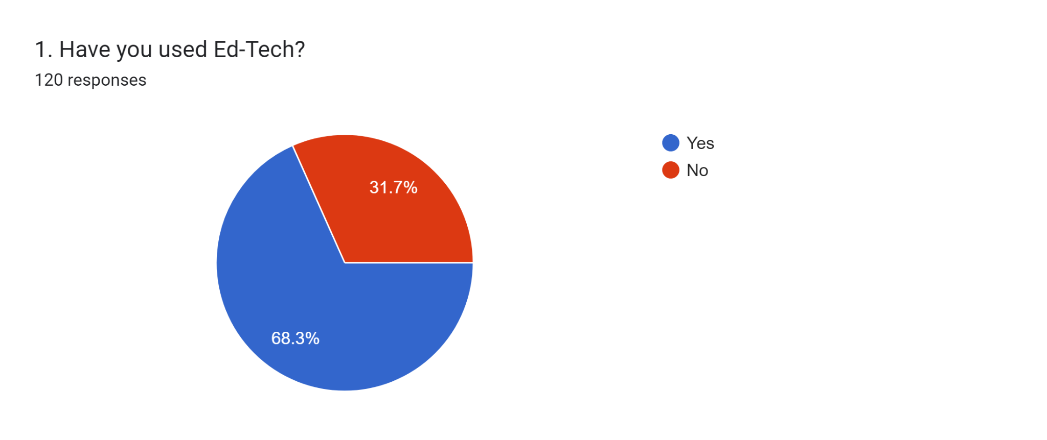
 |  |  |  |  |  |  |  |  |  |  |  | 26.78 | 26.40 | 3.63 | 2.96
RESPONSE ANALYSIS

According to the responses collected 82 people have used the Ed-Tech

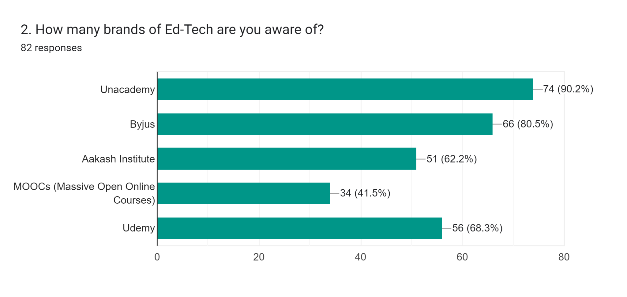

90% of the respondents are aware of UNACADEMY
41.5% people are aware of MOOCs

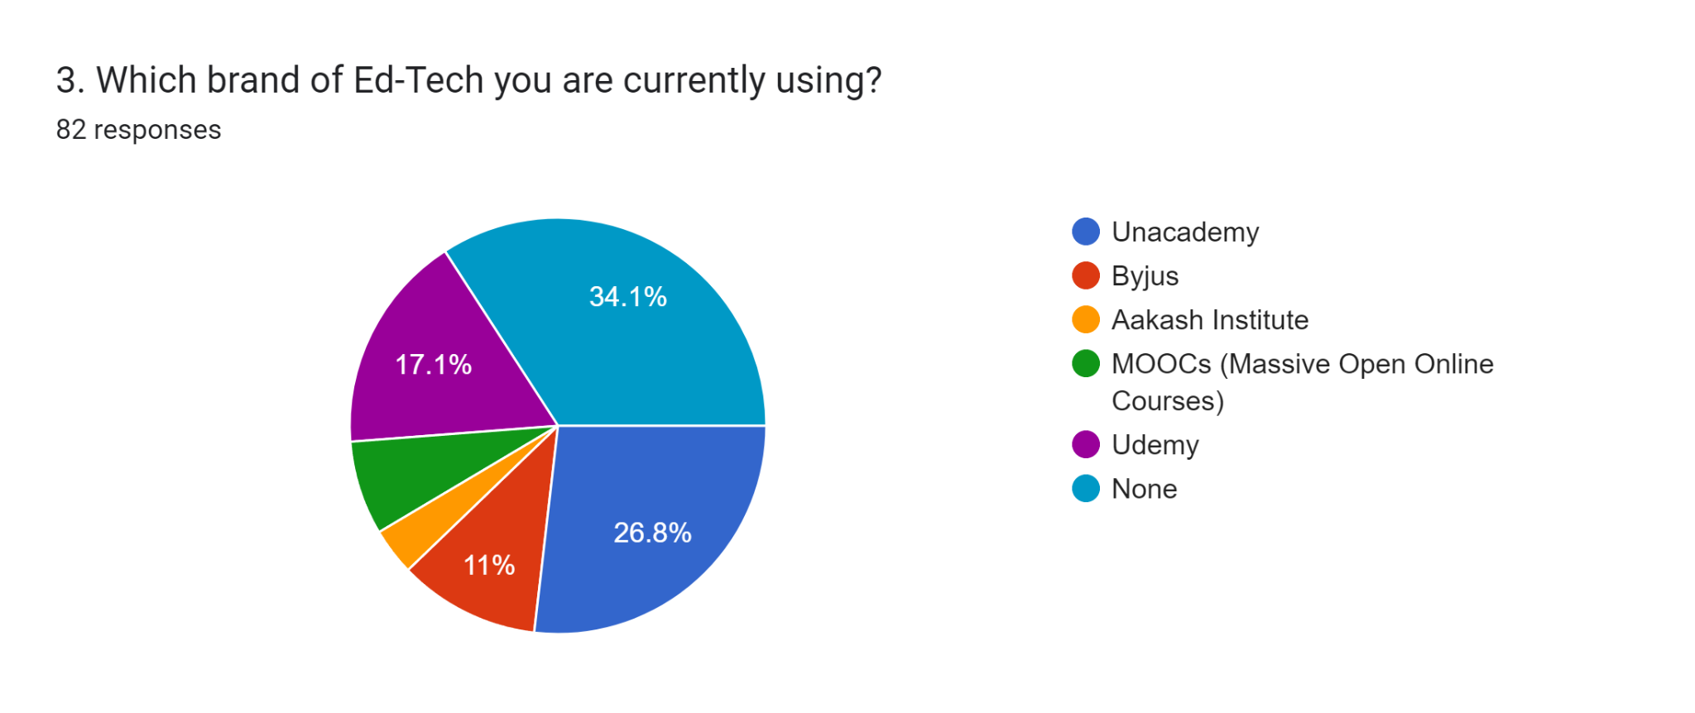

28 people are using None of the brands
22 people are using Unacademy
9 people are using Byjus

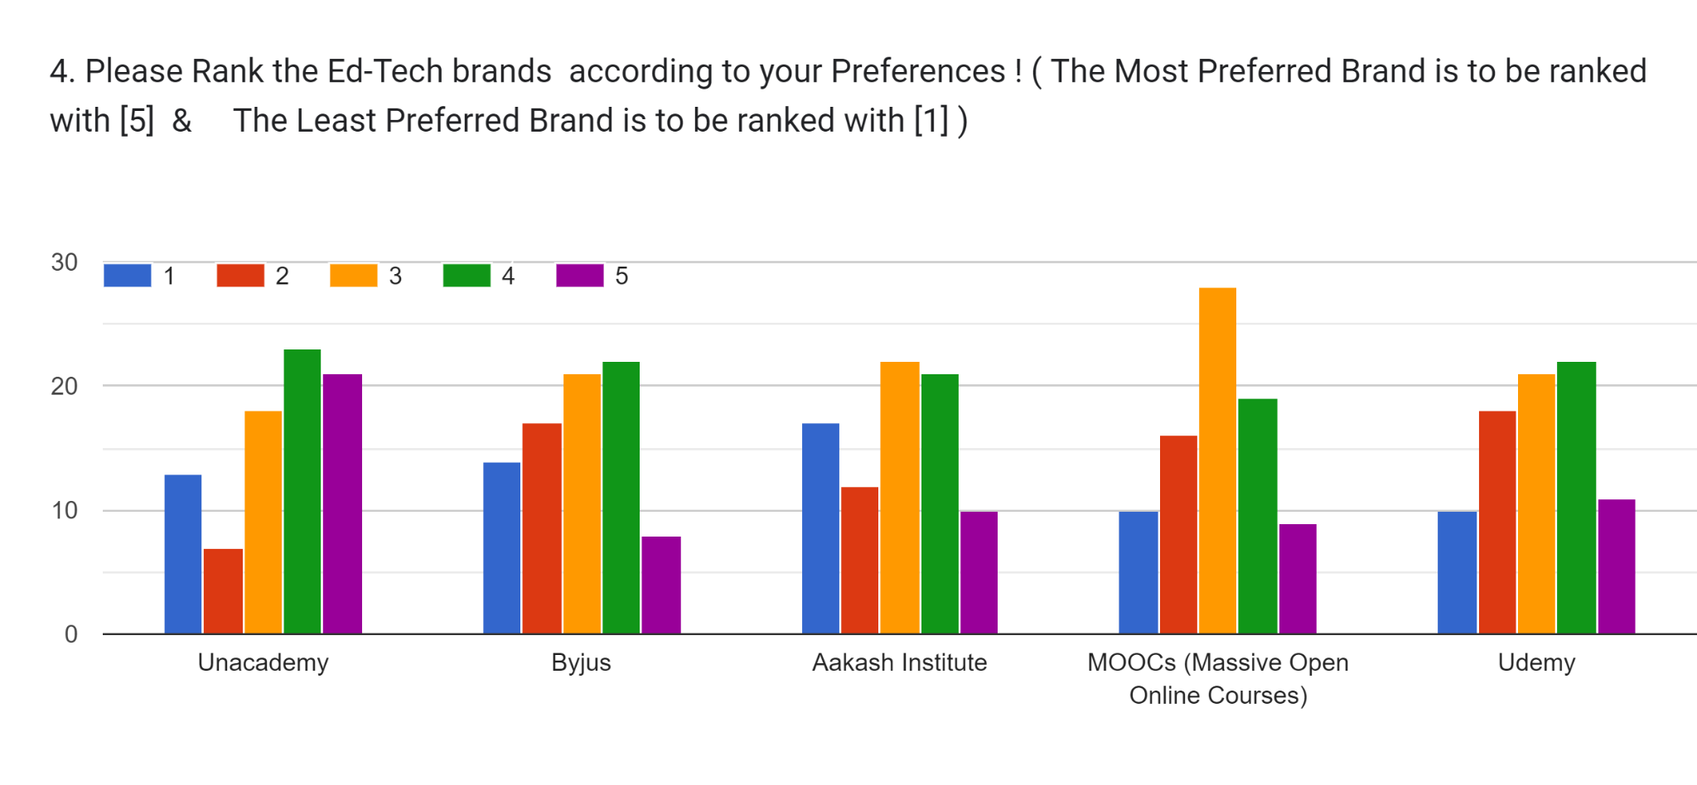

According to preference
Unacademy is ranked 4
Byjus is ranked 4
Aakash institue is ranked 3
MOOCs is ranked 3
Udemy is ranked 4

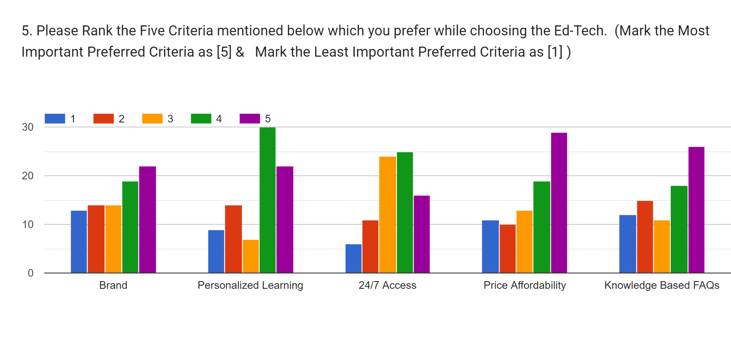

According to the responses
Brand criteria is ranked 5 and highly preferred
Personlized learning is ranked 4
24/7 Access is ranked 4
Price Affordabilitry is highly ranked as 5
Knowledge based FAQs is highly ranked as 5

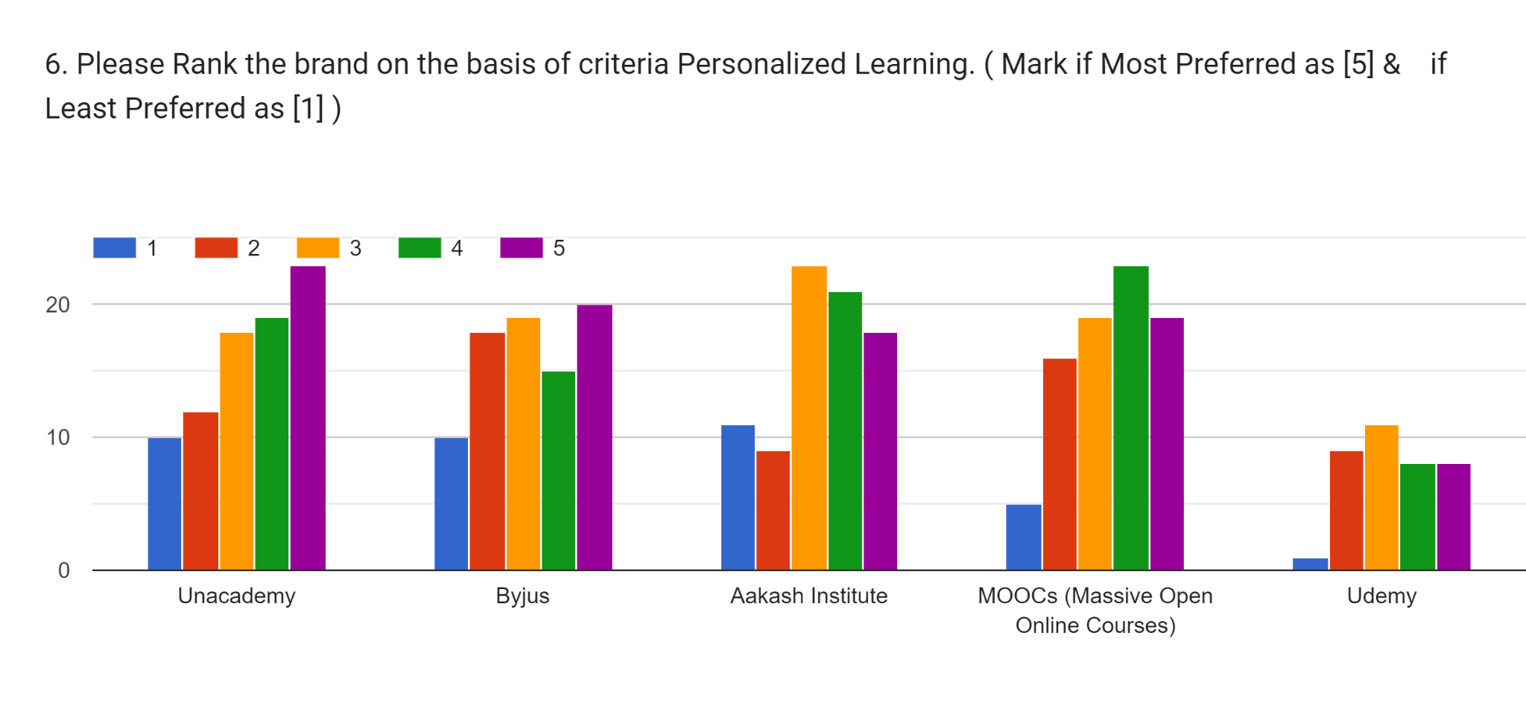

Unacademy is highly ranked for Personalized Learning
Aakash Institute is ranked 3
MOOCs is ranked 4
Udemy is ranked 3 as highest

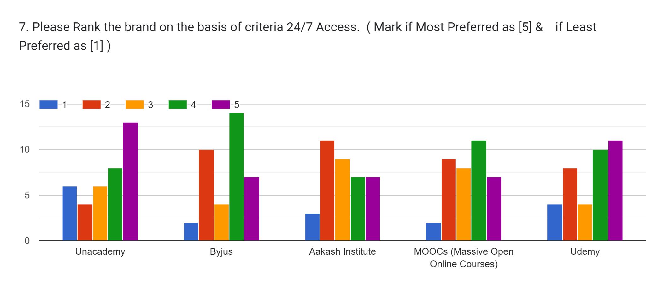

Unacademy is ranked as highest 5 on the basis of criteria 24/7 Acessibility
Byjus is ranked the lowest as 1

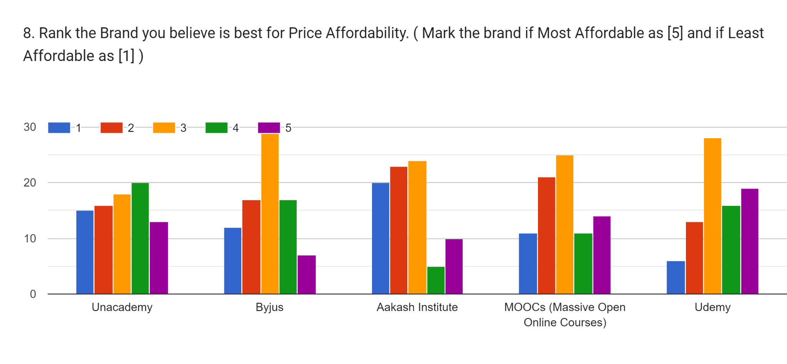

With the analysis of the graph it can be visualized that
People think Udemy as the most affordable in price as compared to other brands
and Aakash institute is least ranked brand in terms of price affordability

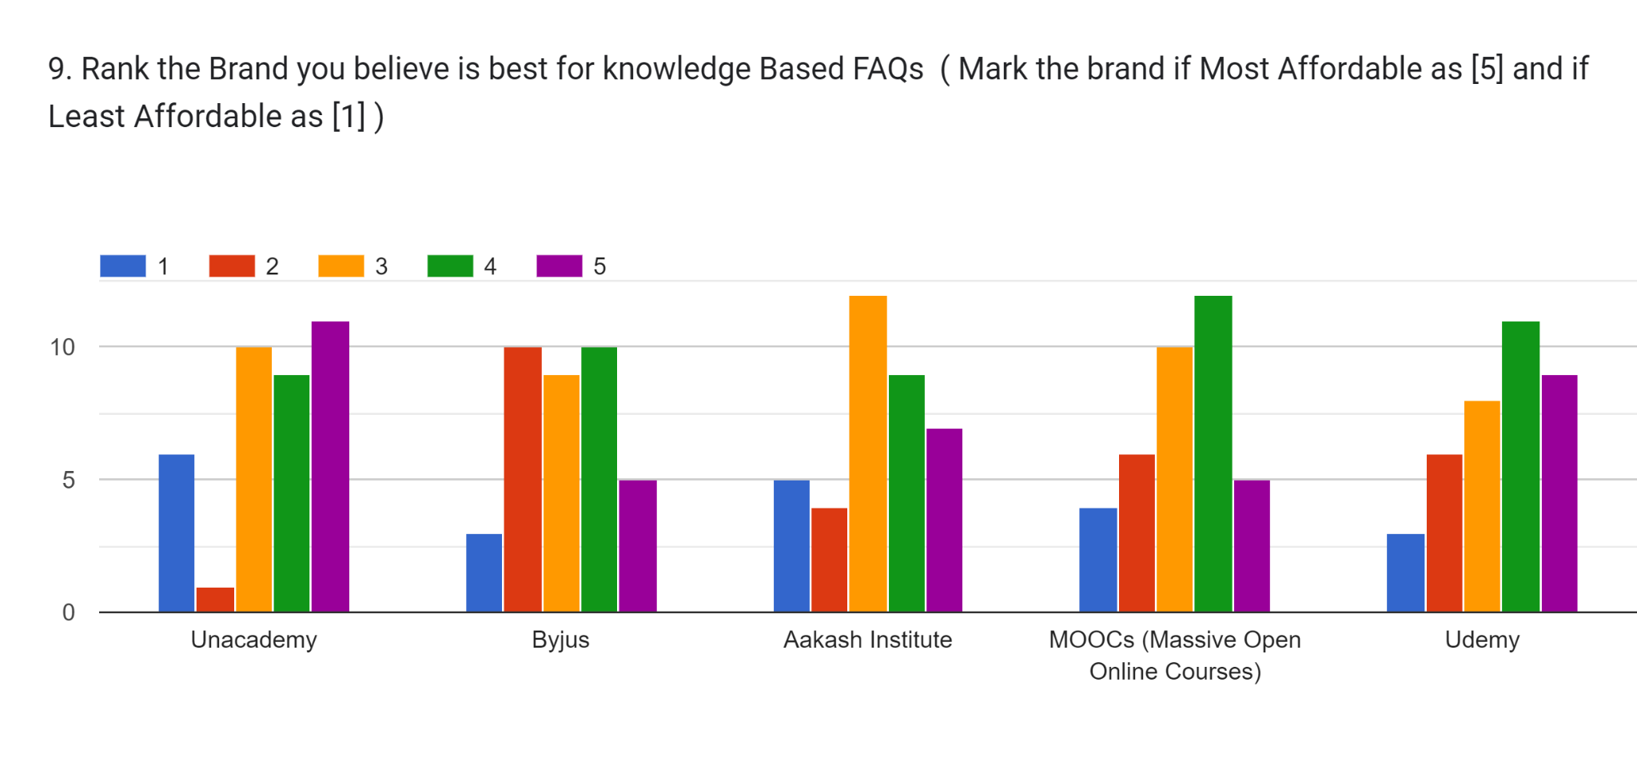

Unacademy is highly ranked as what people believe for Knowlege Based FAQs

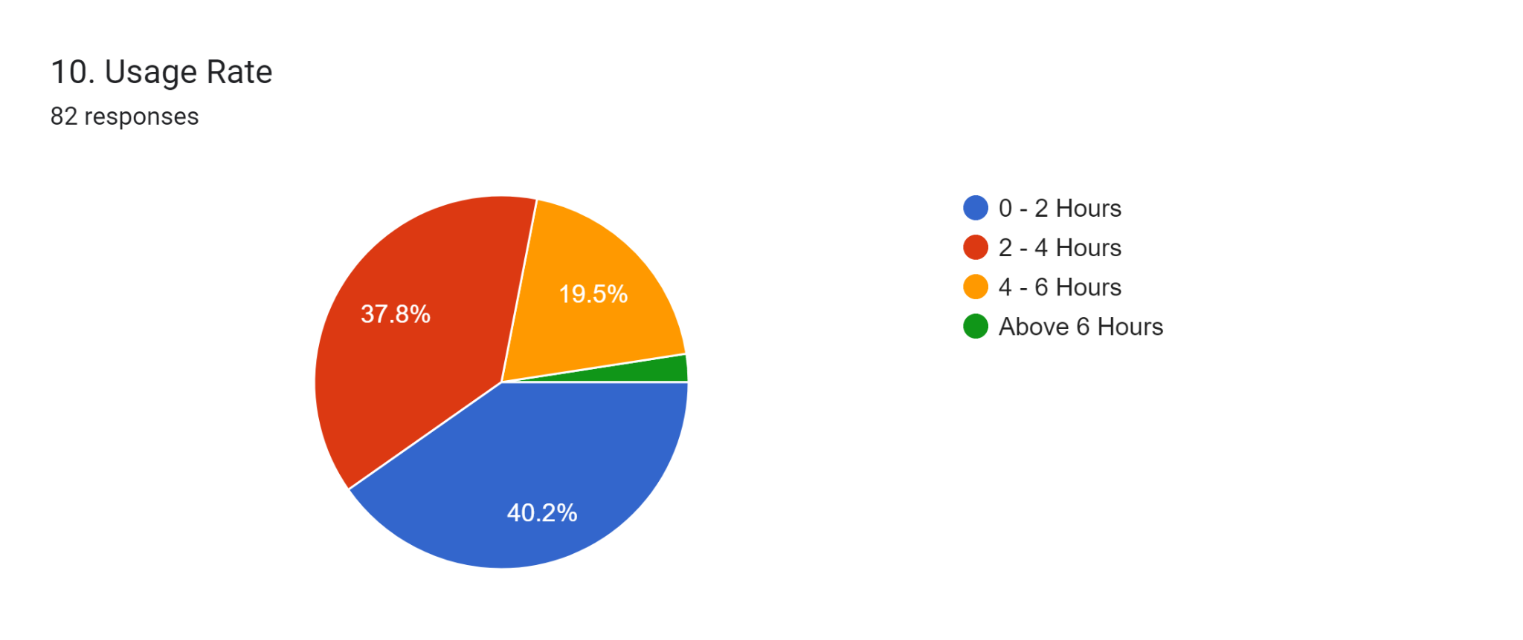

33 people out of 82 respondents use Ed-Tech for 0 -2 Hours
31 people use for 2 - 4 Hours
16 people use for 4 - 6 Hours
rest 2 people use for above 6 hours

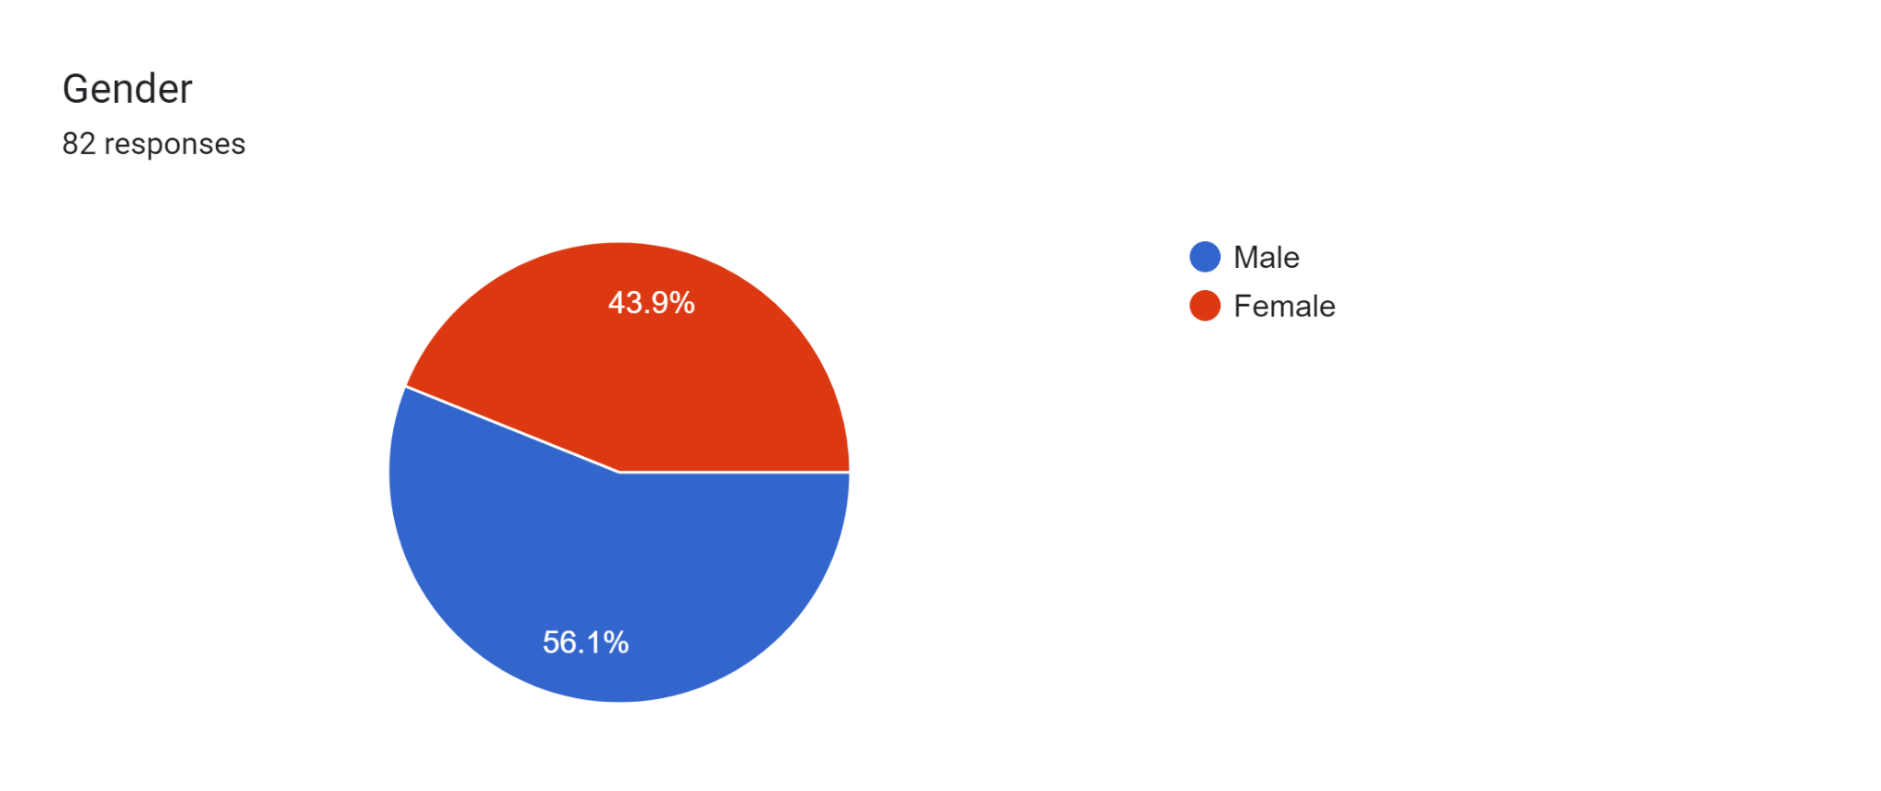

Out of 82 responses
36 are Females
and 46 are Males

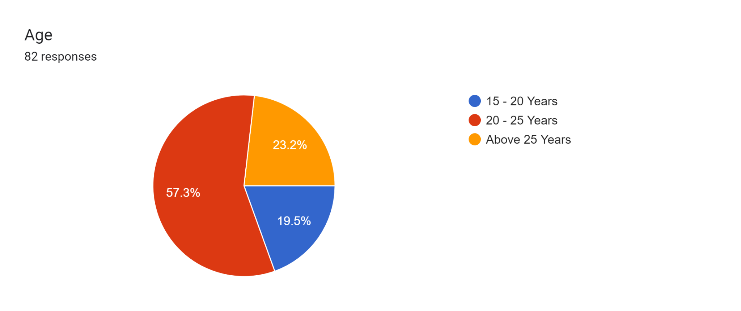

out of 82 resopnses
47 peopel belong to 20-25 age group
16 people belong to 15 - 20 age group
19 people belong to avove 25 years of age group

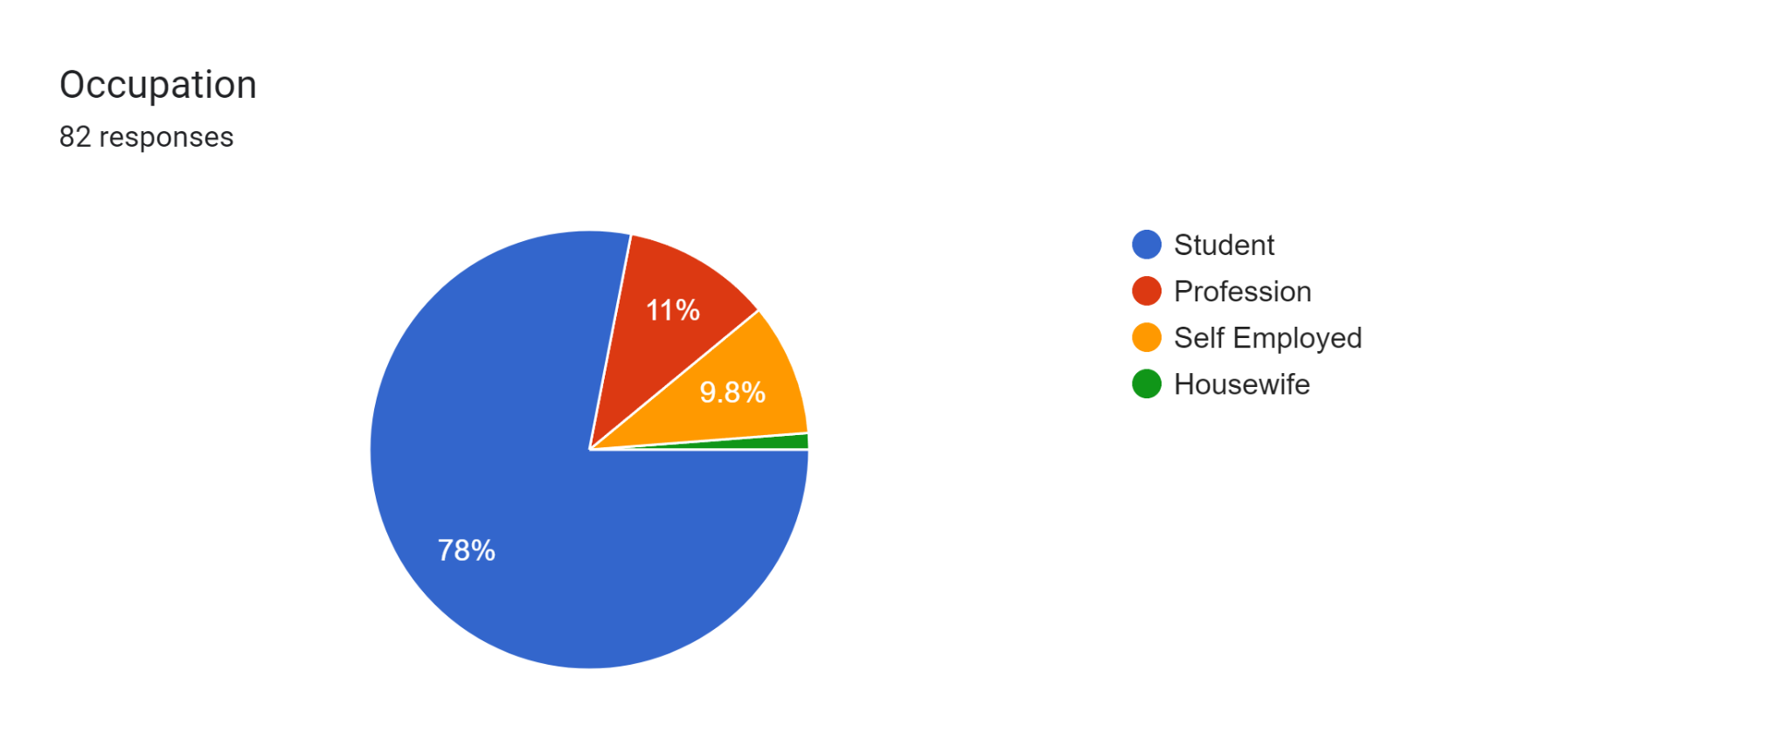

out of 82 responses
64 are the students
9 are the Profession
8 are Self Employed
1 person is a Housewife

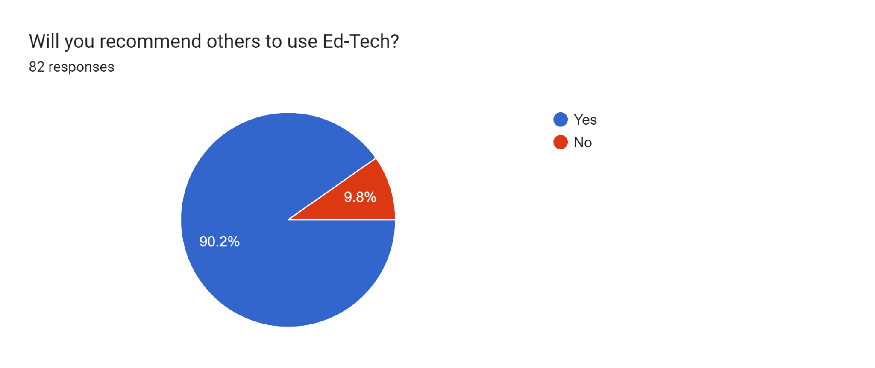

Out of 82 responses it can be analysed that
74 people will prefer to recommend others to use the Ed- Tech
8 people will not prefer to recommend others to use the Ed-Tech

This survey on EdTechs, conducted through a questionnaire, has provided valuable
insights of the preference of the 120 responses of the people , brand preference and criterias preference by ranking the highly
By Ranking the highly preferred as 5 and least preferred as 1. By analyzing the data, we gained a deeper understanding of the different brands of Ed-Techs at which they are good at and the areas they need to improve.
Techs at which they are good at and the areas they need to improve.

